Xmas Days 12.30-1pm 2009 onward
Temperature and Demand
Christmas Day peak power demand, supply, price and environmental impact in Great Britain
Source: electricinsights.co.uk
 | 2009 | 2010 | 2011 | 2012 | 2013 | 2014 | 2015 | 2016
Demand GW | 42.6 | 46 | 39.9 | 40.3 | 40 | 38.9 | 38.5 | 37.1
Price £/MWh | 45.63 | 73.42 | 49.05 | 67.65 | 50.05 | 56.54 | 119.74 | 74.5
Emissions g/kWh | 418 | 499 | 427 | 506 | 431 | 423 | 303 | 168
Temperature Avg Day C | 0.8 | -3 | 9.2 | 7.6 | 5.7 | 7.4 | 8.6 | 10.2
Coal GW | 10.7 | 18.3 | 13.5 | 18.3 | 16.1 | 14.5 | 6 | 2.3
Coal % | 24.9 | 39.4 | 33.8 | 45 | 39.6 | 36.6 | 15.5 | 6.2
Gas GW | 20 | 14.9 | 9.8 | 7.3 | 4.5 | 6.3 | 13.5 | 8.6
Gas % | 46.4 | 32.2 | 24.5 | 17.8 | 11.1 | 15.9 | 34.9 | 23.1
Solar GW | 0 | 0 | 0.1 | 0.2 | 0.7 | 1.7 | 0.3 | 1.4
Solar % | 0 | 0 | 0.1 | 0.5 | 1.8 | 4.2 | 0.7 | 3.7
Wind GW | 0.9 | 1 | 4.3 | 2.8 | 5.4 | 3.2 | 3.1 | 10.3
Wind % | 2 | 2.2 | 10.8 | 6.8 | 13.2 | 8.1 | 8 | 27.7
Hydro GW | 0.4 | 0.3 | 0.9 | 0.9 | 0.8 | 1 | 1 | 1
Hydro % | 0.9 | 0.7 | 2.3 | 2.2 | 1.9 | 2.6 | 2.7 | 2.7
Imports & Storage GW | 3.3 | 3.6 | 4 | 2.8 | 3.9 | 4.2 | 3.9 | 3.2
Imports & Storage % | 7.6 | 7.8 | 10.1 | 6.9 | 9.7 | 10.7 | 10 | 8.6
Biomass GW | 0 | 0 | 0 | 0.4 | 0.7 | 1.1 | 2 | 2.1
Biomass % | 0 | 0 | 0 | 1.1 | 1.7 | 2.7 | 5.2 | 5.7
Nuclear GW | 7.8 | 8.2 | 7.3 | 8.1 | 8.6 | 7.6 | 8.8 | 8.4
Nuclear % | 18.2 | 17.7 | 18.4 | 19.8 | 21 | 19.2 | 22.7 | 22.4
Demand and Price
Coal

Gas

Solar

Hydro
Wind

Imports and Storage
Biomass

Nuclear

2009
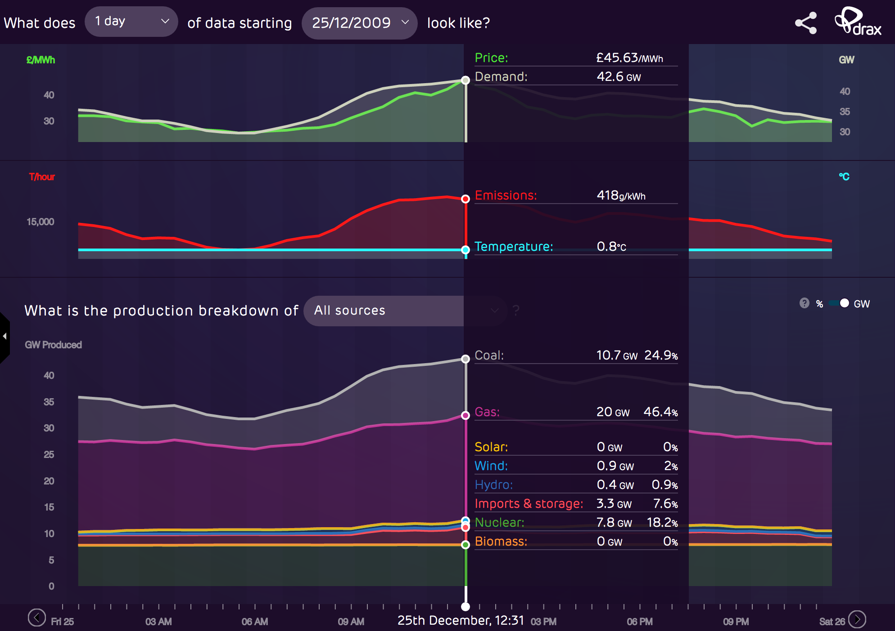

2010
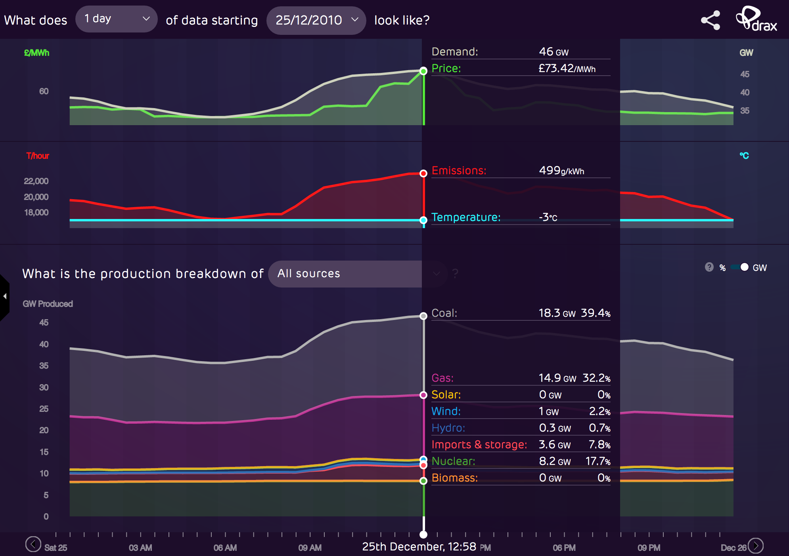

2011
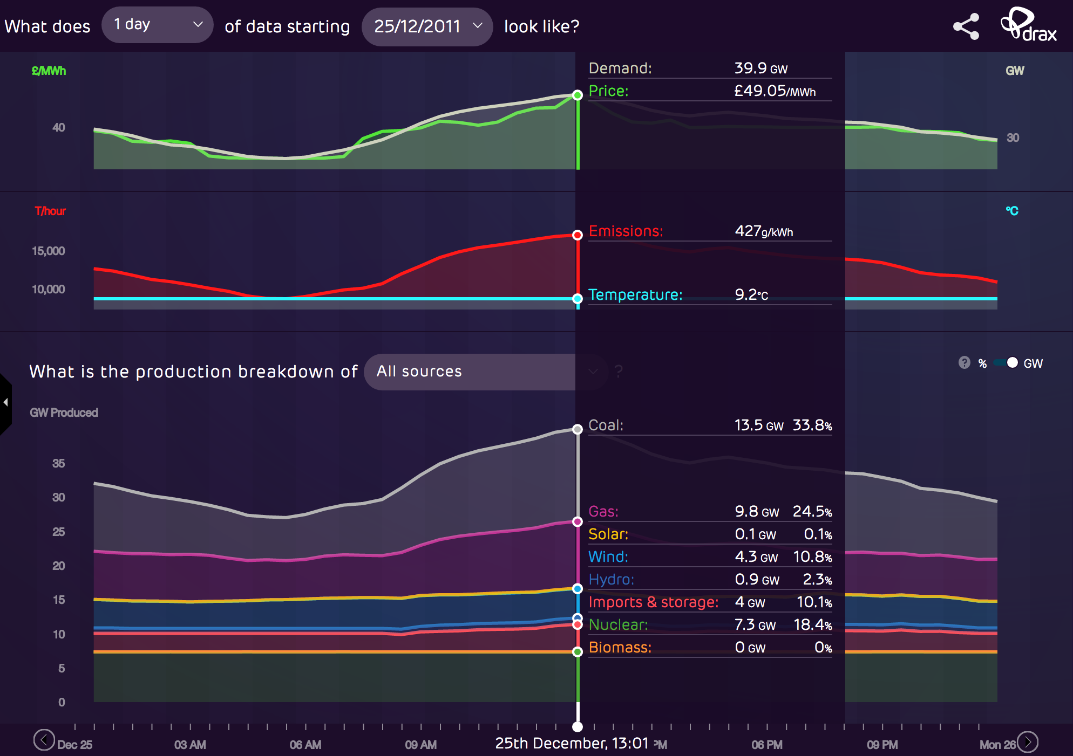

2012
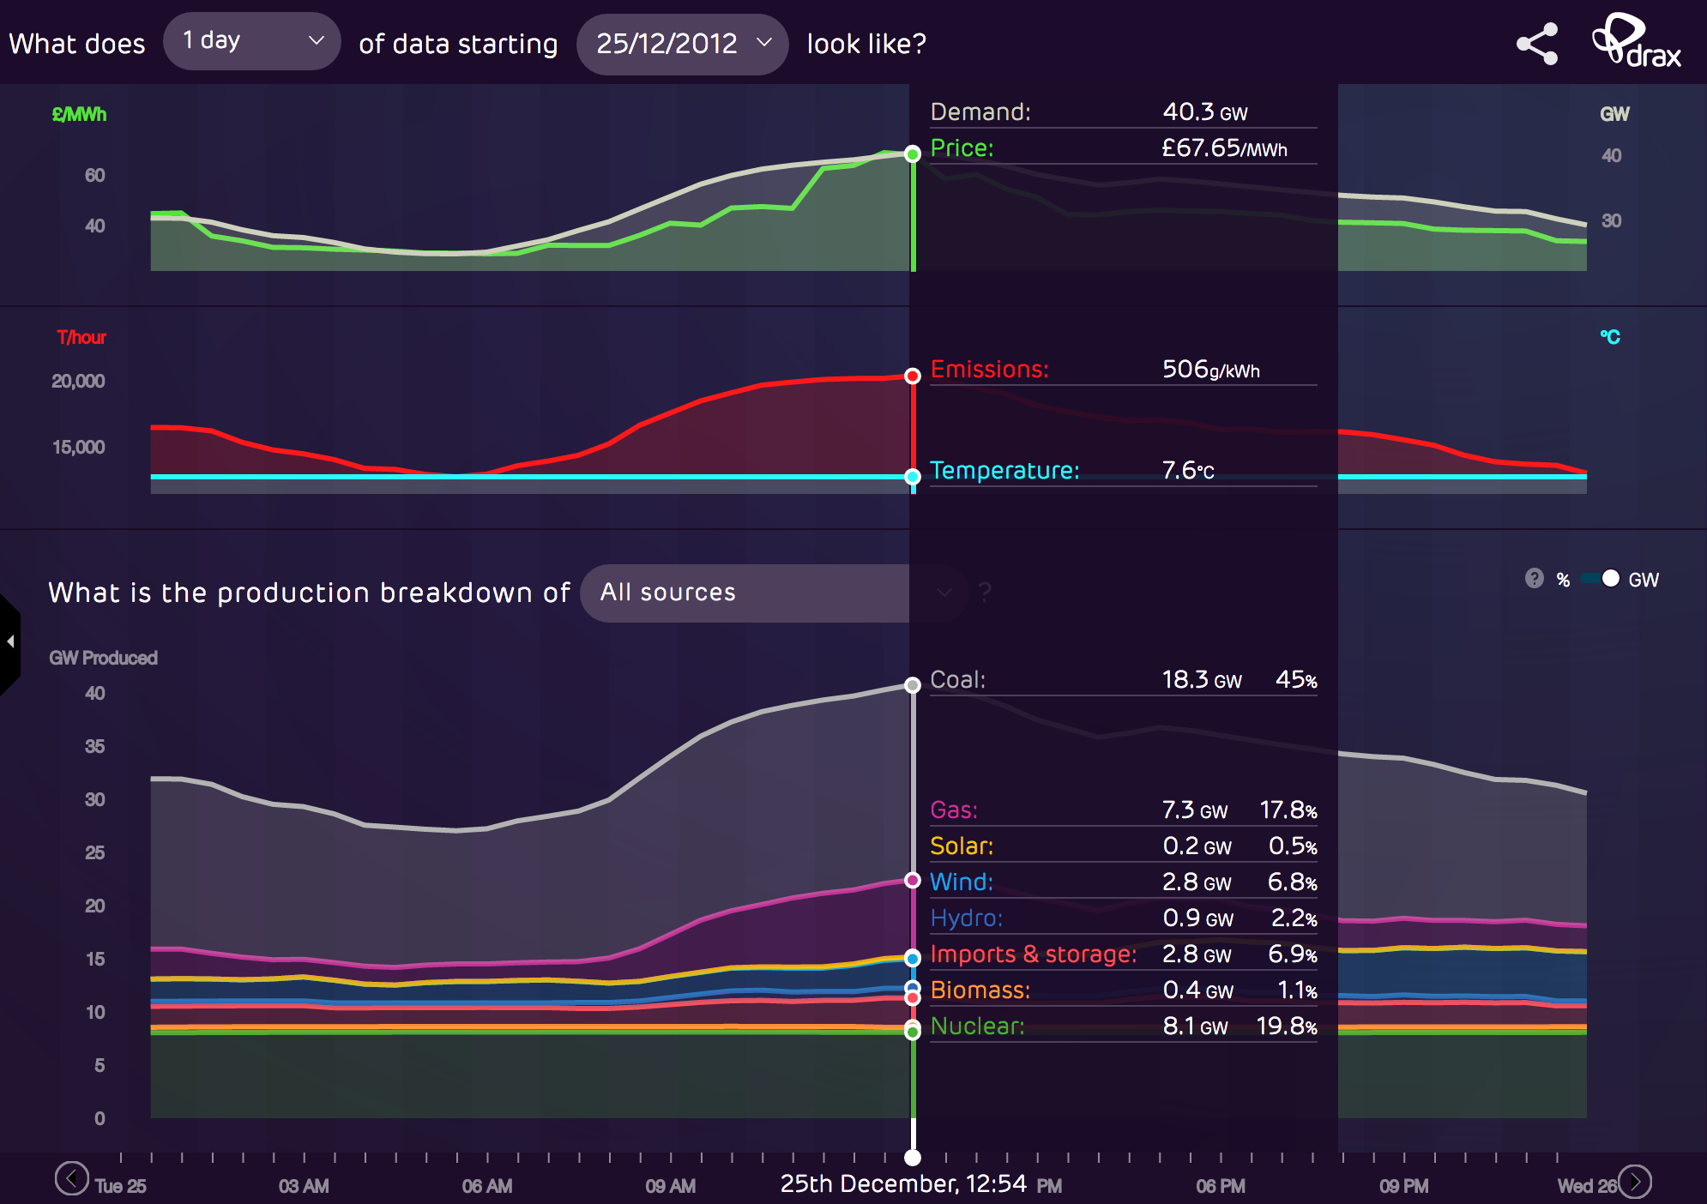

2013
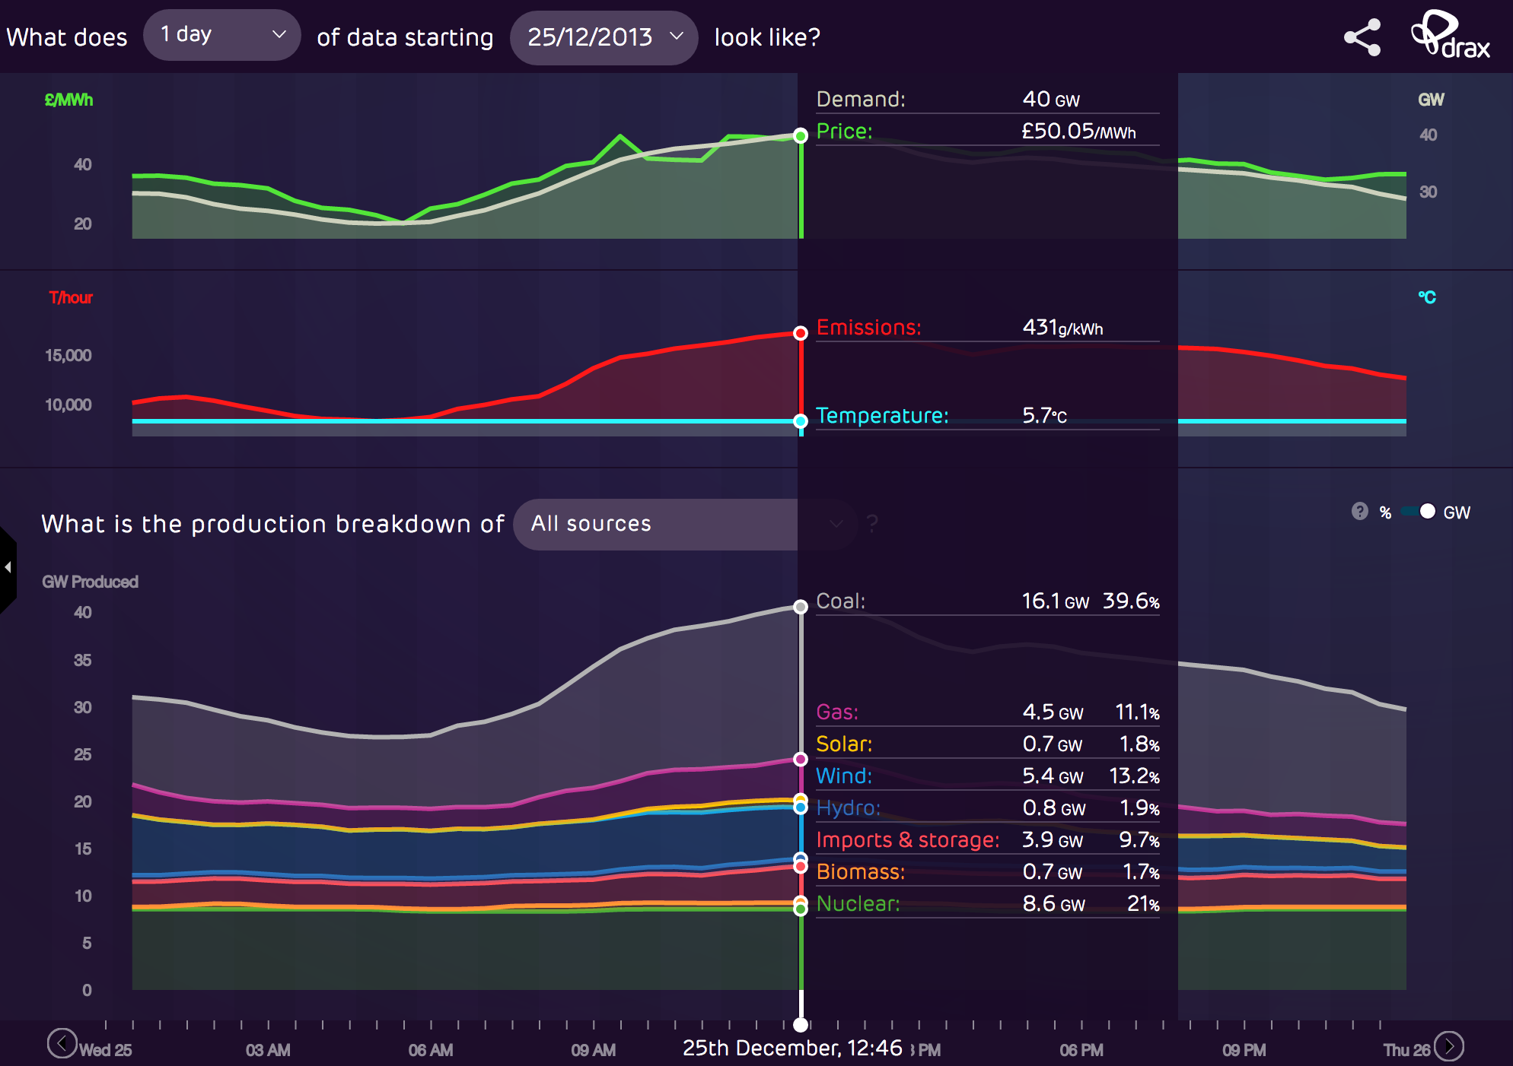

2014
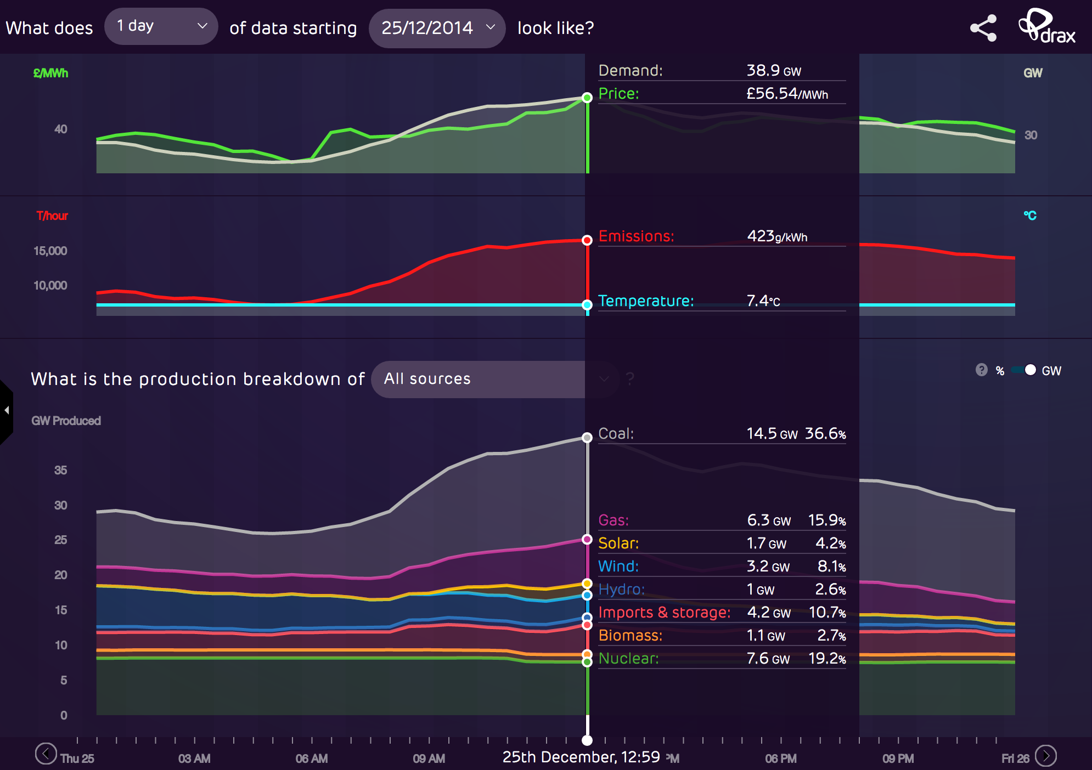
2014

2015
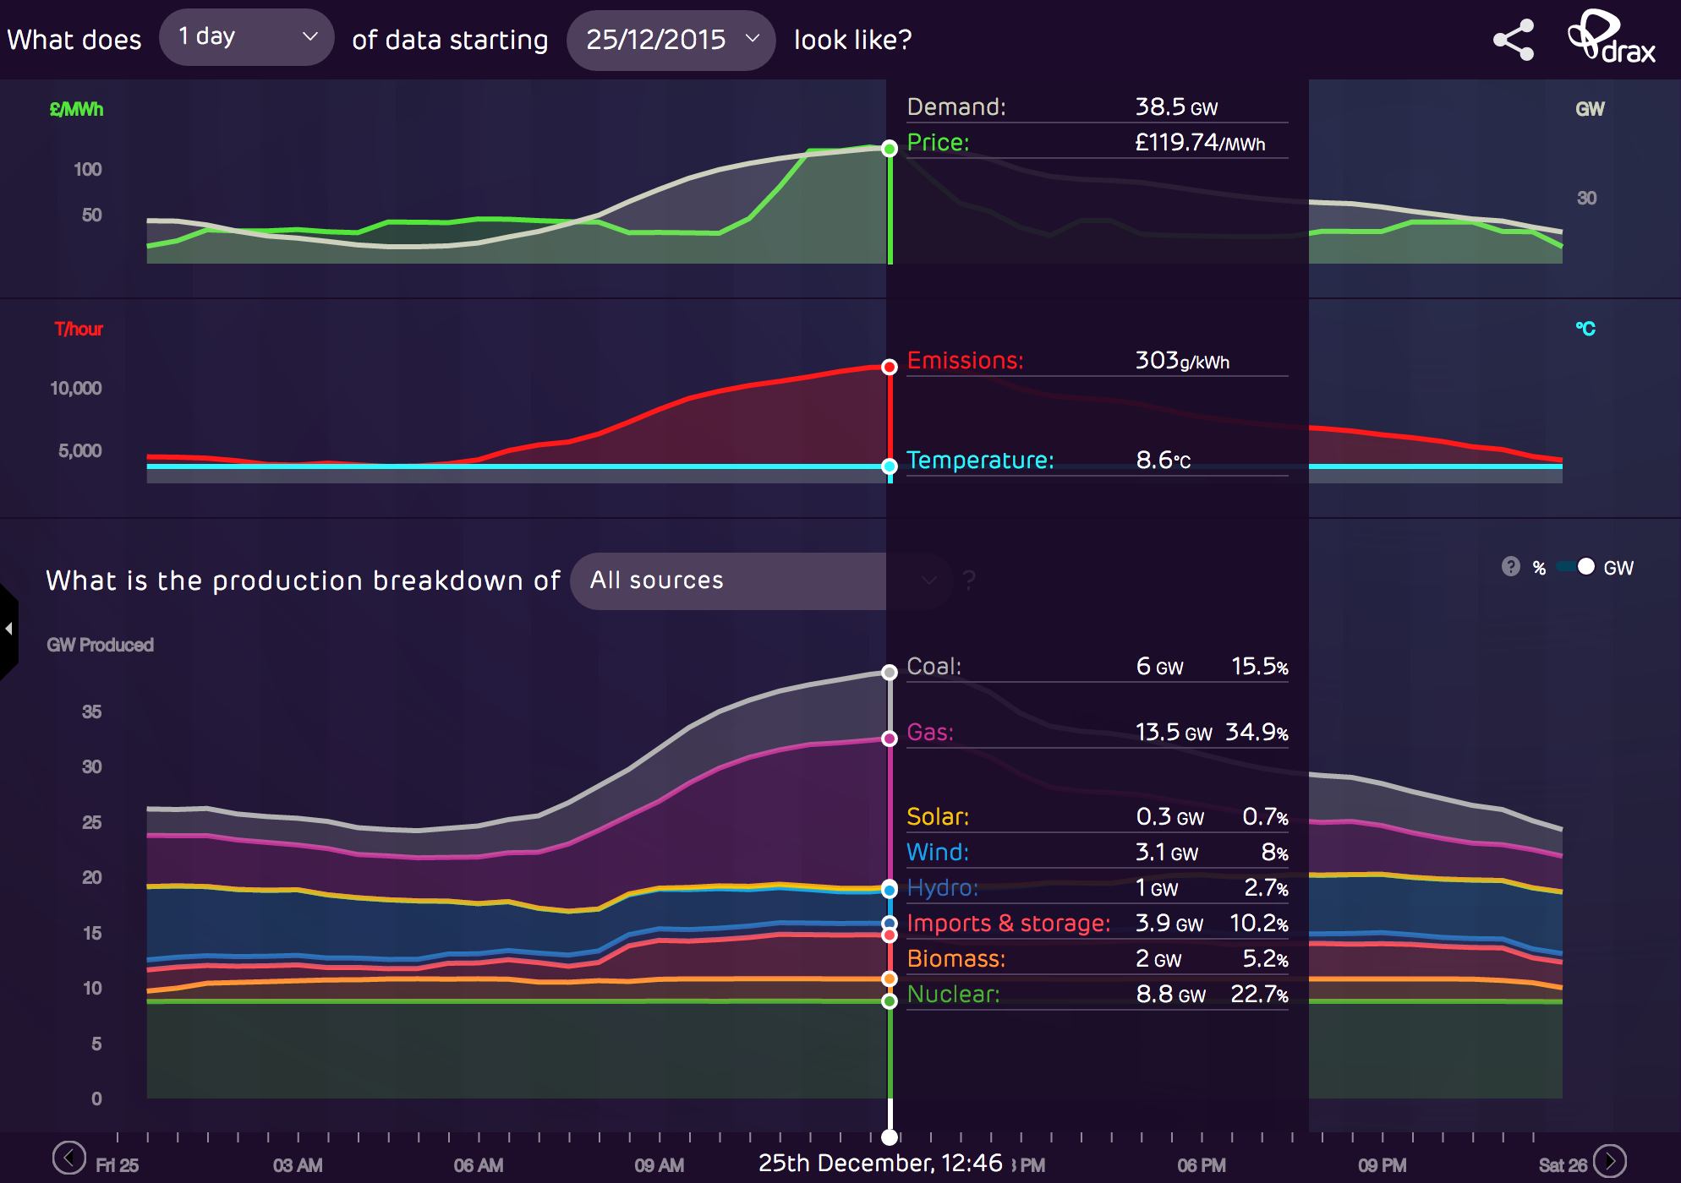
20

2016
